Market
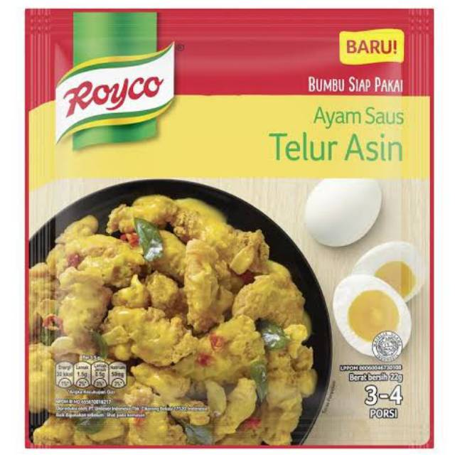
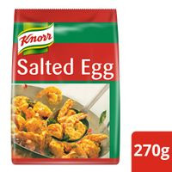
Salted Egg Powder
Merk | Harga | gram | Harga/gram | Harga per 21 gr
Emaku Salted Egg Powder MSG Free 16 g | Rp10,000 | 16 | 625.0 | Rp15,625
Royco Ayam Saus Telur Asin 22 g | Rp6,000 | 22 | 272.7 | Rp6,000
Knorr Golden Salted Egg Powder 270 g | Rp104,700 | 270 | 387.8 | Rp9,694
 |  |  | HET Avg | Rp6,000
 |  |  | Price List | Rp4,800
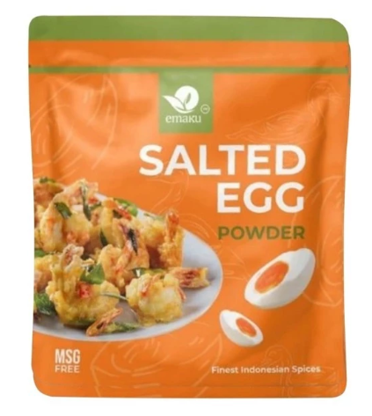
 |  |  | Bulatkan | Rp5,000

Market Potency
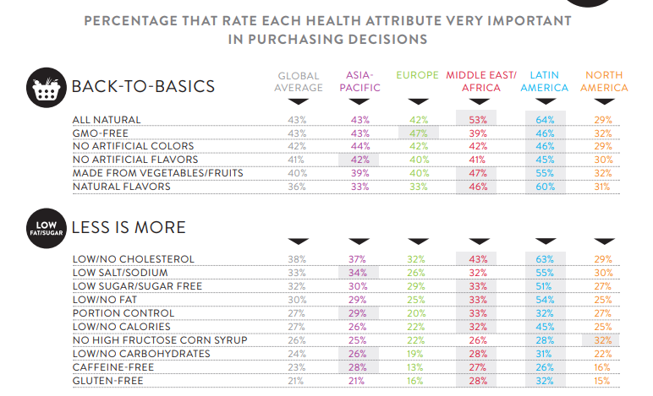
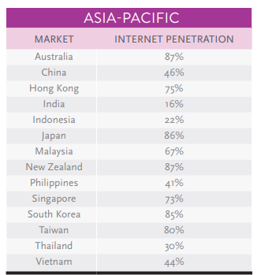
Jumlah penduduk Indonesia |  | 267,000,000
SES SU, U12 |  | 30% | Indonesian population
F, 25-50 |  | 38% | Indonesian population
Suka Memasak |  | 87%
Memasak menggunakan bumbu instan |  | 70% | *based on survey Jakpat Jun 2020
Menggunakan bumbu instan salted egg |  | 10%
Healthy Concern |  | 30%
Choose Tropicana Slim |  | 10%

Target market TS |  | 55,610 | persons

Consume TS
- 1 pack per 3 bulan |  | 18,537 | portion

Price TS |  | IDR 20,000 | per portion

Sales potency |  | IDR 123,578,280 | per month

 | Pembulatan | IDR 150,000,000

 |  |  |  | 464982 | 883883
 |  |  |  | 524826
 |  |  |  | 509726 | 6947659
 |  |  |  | 451364
 |  |  |  | 380792 | 10177924
 |  |  |  | 323266 | 3230265
 |  |  |  | 323266 | 68%
 |  |  |  | 267752
 |  |  |  | 284080
 |  |  |  | 375893
 |  |  |  | 2916139
 |  |  |  | 27.3%

